Sheet1
LED Breadboard test
Voltage | Current | Power
10.42 | 5.3 | 0.055226
11 | 22.2 | 0.2442
11.5 | 42.8 | 0.4922
12 | 64.8 | 0.7776
12.57 | 71.5 | 0.898755
13 | 71.2 | 0.9256
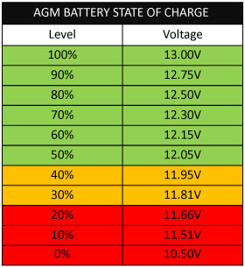
14.02 | 71.2 | 0.998224
14.5 | 72 | 1.044
15 | 72 | 1.08

